Results sheet
Process
9 | Pranay | Cummins Tuned | Emrax 268 | Emrax 268 | 64 | 160 | 204.8 | 240 | 93.7 | 500 | 343 | 500 | 2513 | 5.985 | 29590.5 | 28.5 | 180.3092 | 85 | 63.733971061
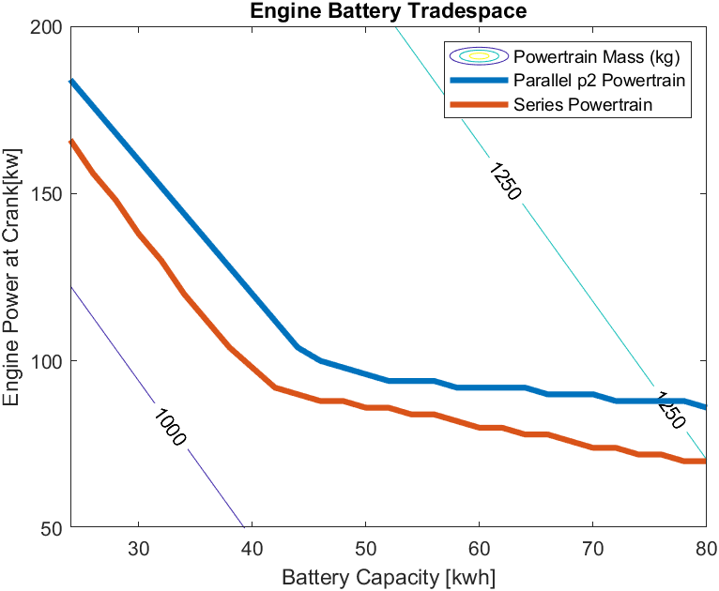
10 | Saumil | Cummins Tuned | Emrax 268 | Yasa P400 | 64 | 160 | 204.8 | 240 | 93.7 | 371 | 343 | 450 | 2633 | 8.451 | 29537.2 | 31.5 | 180.36 | 110.25 | 10.433971061
11 | Shantanu | Cummins Tuned | Emrax 268 | Omni motor | 64 | 160 | 204.8 | 240 | 93.7 | 290 | 343 | 450 | 2633 | 10.81 | 29552.9 | 26.1446 | 180.3571 | 99.33 | 26.133971061
12 | Aayush P | Cummins Tuned | Emrax 268 | Emrax 348 | 64 | 160 | 204.8 | 240 | 93.7 | 1000 | 343 | 340 | 2685 | 3.197 | 29544.7 | 30.22 | 180.32 | 116 | 17.933971061
13 | Aayush S | Cummins Tuned | Yasa P400 | Emrax 268 | 64 | 160 | 204.8 | 240 | 90.23 | 500 | 343 | 500 | 2529 | 6.023 | 29596.846444 | 30.83 | 180.3 |  | 70.080415103
14 | Abhilash | Cummins Tuned | Yasa P400 | Yasa P400 | 64 | 160 | 204.8 | 240 | 90.23 | 371 | 343 | 450 | 2649 | 8.502 | 29545.1 | 33.5 | 180.3725 | 110.8 | 18.333971061
15 | Aniruddha | Cummins Tuned | Yasa P400 | Omni motor | 64 | 160 | 204.8 | 240 | 90.23 | 290 | 343 | 450 | 2649 | 10.91 | 29543.33935 | 40 | 152.133 | 129.5 | 16.573320925
16 | Ankit | Cummins Tuned | Yasa P400 | Emrax 348 | 64 | 160 | 204.8 | 240 | 90.23 | 1000 | 343 | 340 | 2701 | 3.216 | 29553.8 | 32.25 | 180.32 | 146.5 | 27.033971061
17 | Kashyap | Stellantis | Emrax 268 | Emrax 268 | 55 | 193 | 176 | 206.25 | 94.53 | 500 | 295 | 500 | 2450 | 5.835 | 29571.9 | 24.5323 | 180.3438 | 90.86 | 45.133971061
18 | Lomesh | Stellantis | Emrax 268 | Yasa P400 | 55 | 193 | 176 | 206.25 | 94.53 | 371 | 295 | 450 | 2570 | 8.249 | 29529.630365 | 27.29 |  | 114.3 | 2.8643356402
19 | Nikhil | Stellantis | Emrax 268 | Omni motor | 55 | 193 | 176 | 206.25 | 94.53 | 290 | 295 | 450 | 2570 | 10.59 | 29527.644423 | 23.45 | 1.80E+02 | 133.5 | 0.8783937385
20 | Pranay | Stellantis | Emrax 268 | Emrax 348 | 55 | 193 | 176 | 206.25 | 94.53 | 1000 | 295 | 340 | 2622 | 3.122 | 29535.1 | 26.28 | 180.333 | 118.5 | 8.3339710613
21 | Saumil | Stellantis | Yasa P400 | Emrax 268 | 55 | 193 | 176 | 206.25 | 88.12 | 500 | 295 | 500 | 2466 | 5.873 | 29578.1 | 31.1 | 180.34 | 90 | 51.333971061
22 | Shantanu | Stellantis | Yasa P400 | Yasa P400 | 55 | 193 | 176 | 206.25 | 88.12 | 371 | 295 | 450 | 2586 | 8.3 | 29531.546243 | 30.2 | 180.3653 | 113.5 | 4.7802139236
23 | Aayush P | Stellantis | Yasa P400 | Omni motor | 55 | 193 | 176 | 206.25 | 88.12 | 290 | 295 | 450 | 2586 | 10.66 | 29537.9 | 26.68 | 180.331 | 132 | 11.133971061
24 | Aayush S | Stellantis | Yasa P400 | Emrax 348 | 55 | 193 | 176 | 206.25 | 88.12 | 1000 | 295 | 340 | 2638 | 3.141 | 29547.296972 | 28.77 | 180.3369 | 150 | 20.530942747
33 | Shantanu | Duramax 3.0 | Emrax 268 | Emrax 268 | 53 | 202 | 169.6 | 198.75 | 93.78 | 500 | 284 | 500 | 2428 | 5.782 | 29565.823939 | 23.68 | 180.3403 | 91.68 | 39.0579096
34 | Aayush P | Duramax 3.0 | Emrax 268 | Yasa P400 | 53 | 202 | 169.6 | 198.75 | 93.78 | 371 | 284 | 450 | 2548 | 8.178 | 29526.766029 | 26.88 | 180.36 | 115.2 | 0
35 | Aayush S | Duramax 3.0 | Emrax 268 | Omni motor | 53 | 202 | 169.6 | 198.75 | 93.78 | 290 | 284 | 450 | 2548 | 10.5 | 29530.3 | 23.91 | 180.3666 | 134.7 | 3.5339710613
36 | Abhilash | Duramax 3.0 | Emrax 268 | Emrax 348 | 53 | 202 | 169.6 | 198.75 | 93.78 | 1000 | 284 | 340 | 2600 | 3.096 | 29533.929762 | 27.25 |  | 152.2 | 7.1637331917
37 | Aniruddha | Duramax 3.0 | Yasa P400 | Emrax 268 | 53 | 202 | 169.6 | 198.75 | 90.53 | 500 | 284 | 500 | 2444 | 5.821 | 29570.590902 | 27.3599 | 180.3265 | 91.08 | 43.824872794
38 | Ankit | Duramax 3.0 | Yasa P400 | Yasa P400 | 53 | 202 | 169.6 | 198.75 | 90.53 | 371 | 284 | 450 | 2564 | 8.23 | 29532.1 | 29.15 | 180.3624 | 114.5 | 5.3339710613
39 | Kashyap | Duramax 3.0 | Yasa P400 | Omni motor | 53 | 202 | 169.6 | 198.75 | 90.53 | 290 | 284 | 450 | 2564 | 10.56 | 29531.2 | 26.6561 | 180.3724 | 133.8 | 4.4339710613
40 | Lomesh | Duramax 3.0 | Yasa P400 | Emrax 348 | 53 | 202 | 169.6 | 198.75 | 90.53 | 1000 | 284 | 340 | 2616 | 3.115 | 29538.8006 | 28.72 |  | 151.3 | 12.034571087
42 | Aayush S | Cummins Tuned | Yasa P400 | Yasa P400 | 13.8 | 160 | 80 | 320 | 91.9 | 371 |  | 371 | 2422 | 7.774 | 29682.7 |  |  |  | Ematrix 6.9 | 29682.7
43 | Abhilash | Cummins Tuned | Yasa P400 | Yasa P400 | 27.6 | 160 | 160 | 320 | 91.9 | 371 |  | 371 | 2594 | 8.326 | 29531 |  |  |  | Ematrix 4 | 29531
44 | Aniruddha | Cummins Tuned | Yasa P400 | Yasa P400 | 27.6 | 160 | 160 | 320 | 91.9 | 371 |  |  | 2594 | 8.326 | 29529.8 | 35.84 |  |  | Ematrix 4 max pow | 29529.8
46 | Kashyap | Cummins Tuned | Yasa P400 | Yasa P400 | 36 | 160 | 97 | 195 | 91.9 | 371 |  | 371 | 2484 | 7.973 | 29608.8 | 33.54 |  |  | Ematrix 36 kwh | 29608.8
48 | Nikhil | Cummins Tuned | Yasa P400 | Yasa P400 | 38 | 160 | 97 | 152 | 91.9 | 371 |  | 371 | 2524 | 8.101 | 29673 | 35.6561 |  | 116 | Kriesel 700 | 29673

42 | Aayush S | Cummins Tuned | Yasa P400 | Yasa P400 | 13.8 | 160 | 80 | 320 | 91.9 | 371 |  | 371 | 2422 | 7.774 | 29682.7 |  |  |  | Ematrix 6.9 | 29682.7
46 | Kashyap | Cummins Tuned | Yasa P400 | Yasa P400 | 36 | 160 | 97 | 195 | 91.9 | 371 |  | 371 | 2484 | 7.973 | 29608.8 | 33.54 |  |  | Ematrix 36 kwh | 29608.8

 |  | Cummins Tuned | Yasa P400 | Yasa P400 |  | Cummins Tuned | 228 |  |  |  |  |  |  |  | Yasa P400 | 60 |  | Yasa P400 | 120 |  | 135 | 71
 |  | Stellantis |  | Omni motor |  | Stellantis | 221 |  |  |  |  |  |  |  |  |  |  | Omni motor | 120 |  | 193 | 55
 |  | Duramax 3.0 |  |  |  | Duramax 3.0 | 212 |  |  |  |  |  |  |  |  |  |  |  |  |  | 160 | 64

9 | Pranay | Cummins Tuned | Emrax 268 | Emrax 268 | 64 | 160 | 204.8 | 240 | 93.7 | 500 | 343 | 500 | 2513 | 5.985 | 29590.5 | 28.5 | 180.3092 | 85 | 63.733971061
10 | Saumil | Cummins Tuned | Emrax 268 | Yasa P400 | 64 | 160 | 204.8 | 240 | 93.7 | 371 | 343 | 450 | 2633 | 8.451 | 29537.2 | 31.5 | 180.36 | 110.25 | 10.433971061
13 | Aayush S | Cummins Tuned | Yasa P400 | Emrax 268 | 64 | 160 | 204.8 | 240 | 90.23 | 500 | 343 | 500 | 2529 | 6.023 | 29596.846444 | 30.83 | 180.3 |  | 70.080415103
14 | Abhilash | Cummins Tuned | Yasa P400 | Yasa P400 | 64 | 160 | 204.8 | 240 | 90.23 | 371 | 343 | 450 | 2649 | 8.502 | 29545.1 | 33.5 | 180.3725 | 110.8 | 18.333971061
17 | Kashyap | Stellantis | Emrax 268 | Emrax 268 | 55 | 193 | 176 | 206.25 | 94.53 | 500 | 295 | 500 | 2450 | 5.835 | 29571.9 | 24.5323 | 180.3438 | 90.86 | 45.133971061
18 | Lomesh | Stellantis | Emrax 268 | Yasa P400 | 55 | 193 | 176 | 206.25 | 94.53 | 371 | 295 | 450 | 2570 | 8.249 | 29529.630365 | 27.29 |  | 114.3 | 2.8643356402
21 | Saumil | Stellantis | Yasa P400 | Emrax 268 | 55 | 193 | 176 | 206.25 | 88.12 | 500 | 295 | 500 | 2466 | 5.873 | 29578.1 | 31.1 | 180.34 | 90 | 51.333971061
22 | Shantanu | Stellantis | Yasa P400 | Yasa P400 | 55 | 193 | 176 | 206.25 | 88.12 | 371 | 295 | 450 | 2586 | 8.3 | 29531.546243 | 30.2 | 180.3653 | 113.5 | 4.7802139236
33 | Shantanu | Duramax 3.0 | Emrax 268 | Emrax 268 | 53 | 202 | 169.6 | 198.75 | 93.78 | 500 | 284 | 500 | 2428 | 5.782 | 29565.823939 | 23.68 | 180.3403 | 91.68 | 39.0579096
34 | Aayush P | Duramax 3.0 | Emrax 268 | Yasa P400 | 53 | 202 | 169.6 | 198.75 | 93.78 | 371 | 284 | 450 | 2548 | 8.178 | 29526.766029 | 26.88 | 180.36 | 115.2 | 0
37 | Aniruddha | Duramax 3.0 | Yasa P400 | Emrax 268 | 53 | 202 | 169.6 | 198.75 | 90.53 | 500 | 284 | 500 | 2444 | 5.821 | 29570.590902 | 27.3599 | 180.3265 | 91.08 | 43.824872794
38 | Ankit | Duramax 3.0 | Yasa P400 | Yasa P400 | 53 | 202 | 169.6 | 198.75 | 90.53 | 371 | 284 | 450 | 2564 | 8.23 | 29532.1 | 29.15 | 180.3624 | 114.5 | 5.3339710613

Sheet1
Engine | Power kW | RPM | Torque | Per motor | Emrax 268 | Yasa P400
Cummins 120 kW | 120.786 | 3610 | 319.50729567 | 159.75364784 | 91.55 | 91.91
Cummins Tuned | 170 | 3610 | 449.68986691 | 224.84493345 | 93.7 | 90.23
BMW N57 | 187.36 | 3395 | 526.99741039 | 263.49870519
Duramax 3.0 204 | 203.68 | 3270 | 594.80144604 | 297.40072302 | 94.78 | 86.64
Duramax 2.8 135 | 138.65 | 3290 | 402.43464182 | 201.21732091 | 93.78 | 90.53
FCA 3.0 L | 191.0528 | 3410 | 535.02048407 | 267.51024204 | 94.53 | 88.12
 |  |  |  |  |  |  |  |  | Fuel Consumed (gallons)
 |  |  |  |  |  |  | Cummins Tuned | Yasa P400 RHC | 30.83
 |  |  |  |  |  |  |  | Emrax 268 | 28.5
 |  |  |  |  |  |  | Stellantis

 |  |  |  |  |  |  |  | Yasa P400 RHC | 26.68
 |  |  |  |  |  |  |  | Emrax 268 | 23.45

 |  |  |  |  |  |  | Duramax 3.0l | Yasa P400 RHC | 26.65
 |  |  |  |  |  |  |  | Emrax 268 | 23.91

Engine - Generator Fuel Consumption
Yasa P400 RHC | 30.83
Emrax 268 | 28.5
Yasa P400 RHC | 26.68
Emrax 268 | 23.45
Yasa P400 RHC | 26.65
Emrax 268 | 23.91

